Bug Report
Defect Report |  | Defect Report |  | Defect Report |  | Defect Report

Release | v1.0 | Release | v1.0 | Release | v1.0 | Release | v1.0
Title | Weak Password Accepted During Registration | Title | Zero Quantity Allowed via Manual Typing | Title | Checkout Allowed with Zero Quantity Product | Title | Empty Search Returns All Products Instead of No Results
Description | The system accepts weak passwords (e.g., '123') during user registration without any validation or error message. This is a security vulnerability that could allow users to create accounts with easily guessable passwords. | Description | The quantity input field allows users to manually type '0' and add the product to cart with zero quantity. However, the arrow buttons correctly prevent decreasing below 1. This inconsistency means the UI validation differs from the input field validation. | Description | After adding a product with quantity 0 to the cart, the system allows the user to proceed to checkout. The checkout page displays normally with a zero-quantity item. This could lead to order processing issues. | Description | When the search button is clicked with an empty search input, the system returns all products instead of showing no results or prompting the user to enter a search term. This is incorrect behavior for an empty search query.
Steps | 1. Launch browser 2. Navigate to url 'http://automationexercise.com' 3. Verify that home page is visible successfully 4. Click on 'Signup / Login' button 5. Verify 'New User Signup!' is visible 6. Enter name and email address 7. Click 'Signup' button 8. Fill all account details 9. Enter weak password: '123' 10. Click 'Create Account' button | Steps | 1. Launch browser 2. Navigate to url 'http://automationexercise.com' 3. Verify that home page is visible successfully 4. Click 'View Product' for any product 5. Verify product detail is opened 6. Manually type quantity: 0 in the quantity input field 7. Click 'Add to cart' button 8. Click 'View Cart' button | Steps | 1. Launch browser 2. Navigate to url 'http://automationexercise.com' 3. Verify that home page is visible successfully 4. Register new user and login 5. Add product with quantity 0 to cart 6. Click 'Cart' button 7. Verify that cart page is displayed 8. Click Proceed To Checkout | Steps | 1. Launch browser 2. Navigate to url 'http://automationexercise.com' 3. Verify that home page is visible successfully 4. Click on 'Products' button 5. Verify user is navigated to ALL PRODUCTS page 6. Leave search input empty and click search button
Expected Results | An error message should appear indicating the password is too weak or does not meet minimum security requirements (e.g., 'Password must be at least 6 characters' or 'Password must contain a mix of letters and numbers'). | Expected Results | The system should reject quantity 0 and show an error message such as 'Quantity must be at least 1', or the Add to Cart button should be disabled for invalid quantities. | Expected Results | The system should prevent checkout when cart contains items with zero quantity. Either show an error message, remove the zero-quantity item, or disable the Proceed To Checkout button. | Expected Results | The system should either: (a) Show a message like 'Please enter a search term', (b) Return no results with message 'No products found', or (c) Not execute the search at all.
Actual Result | Account is created successfully without any password strength warning or error. The user is logged in and can access the site normally. | Actual Result | Product is added to cart with quantity 0. The cart displays the product with quantity 0. Arrow buttons correctly prevent going below 1, but manual typing bypasses this validation. | Actual Result | Checkout page is displayed normally showing address details and order review with the zero-quantity product. User can continue to payment. | Actual Result | All products are displayed as if a search was performed returning everything. The SEARCHED PRODUCTS section appears with the full product catalog.
Environment | Browser: Chrome 145 OS: Windows 11 Java: 25.0.2 URL: automationexercise.com | Environment | Browser: Chrome 145 OS: Windows 11 Java: 25.0.2 URL: automationexercise.com | Environment | Browser: Chrome 145 OS: Windows 11 Java: 25.0.2 URL: automationexercise.com | Environment | Browser: Chrome 145 OS: Windows 11 Java: 25.0.2 URL: automationexercise.com
Screenshot / Video | 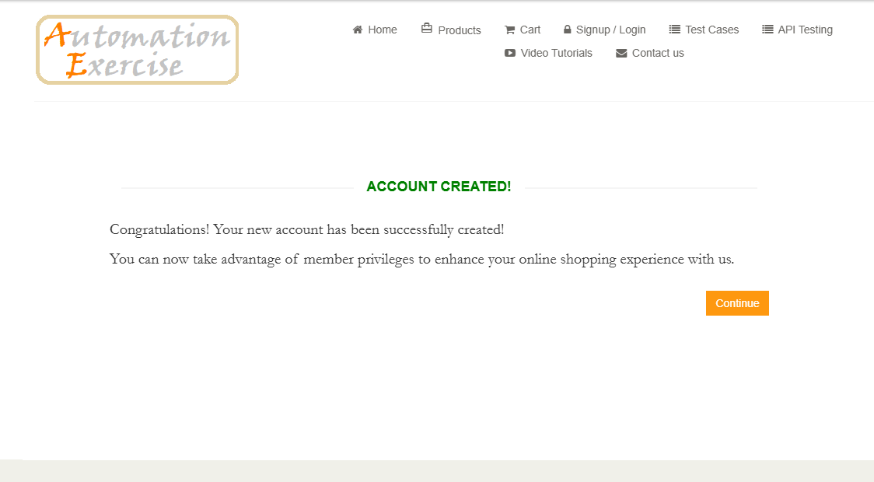 | Screenshot / Video |  | Screenshot / Video |  | Screenshot / Video | 
Rate | Medium | Rate | Medium | Rate | High | Rate | Medium
Priority | High | Priority | High | Priority | Critical | Priority | Medium
Status | Open | Status | Open | Status | Open | Status | Open

